Sheet1
 |  |  | BUG REPORT

 |  | Project Name | Adidas Demo Website
 |  | Tested By | Mohammad Adnan
 |  | Reviewed By | Self-Reviewed
 |  | Start Date | 2024-02-25
 |  | End Date | 2024-02-28
 |  | Platform | Windows 10
 |  | Browser | Edge, Brave (Not runing on Chrome)
 |  | Assigned To | Mohammad Adnan
 |  | Proiority | High, Medium, Low
 |  | Status | Open

Bug ID | Test Case ID | Module/Feature | Bug Description | Severity | Priority | Status | Environment (Browser/Device/OS) | Preconditions | Steps to Reproduce | Expected Result | Actual Result | Defect Type | Reported By | Attachments
Bug_01 | TC_04 | Homepage | Links on Homepage Not Redirecting to Correct Pages | Medium | High | Fail | Edge/Windows 10 | User is on the homepage | 1- Visit the URL on the browser. 2- Observe the message "Enter the world of shoes" displayed on the screen. 3- Ensure that the user is automatically redirected to the homepage after the message. 4- Ensure that all features are clickable and redirected to the right page. | User should be redirected to the correct promotional pages. | Links show 'Page Not Found' error. | Functional | ADNAN
Bug02 | TC_06 | Homepage | "Sign up & GET 15% OFF" Not Redirecting to Sign Up Page | Medium | High | Fail | Edge/Windows 10 | User is on the homepage | 1- Visit the URL on the browser. 2- Observe the message "Enter the world of shoes" displayed on the screen. 3- Ensure that the user is automatically redirected to the homepage after the message. 4- Ensure that user the is able to click on the "Sign Up & GET 15% OFF" page and redirect to the correct page. | User should be redirected to the Sign Up page. | Page reloads instead of redirecting to Sign Up page. | Functional | ADNAN
Bug03 | TC_08 | Homepage | No Error Handling When Clicking Adidas Logo | Low | Medium | Fail | Edge/Windows 10 | User is on the homepage | 1- Visit the URL on the browser. 2- Observe the message "Enter the world of shoes" displayed on the screen. 3- Verify if the user is automatically redirected to the homepage after the message. 4- Locate the Adidas logo at the top of the page and click on the "Adidas logo" (simulate an error state if applicable) . 5- Observe the response.. | User should see an error message if the logo functionality is broken. | No error message is displayed. | Functional | ADNAN
Buf04 | TC_19 | Sports Functionality | "Sports" Section Link Not Redirecting to Sports Product Page | High | High | Fail | Edge/Windows 10 | User is on the homepage | 1- Visit the URL on the browser. 2- Observe the message "Enter the world of shoes" displayed on the screen. 3- Verify if the user is automatically redirected to the homepage after the message. 4- Locate the "Sports" section link in the navbar. 5- Observe the link's visibility, font size, and color. | User should be redirected to the Sports Product page. | Page Not Found' error is shown. | Functional | 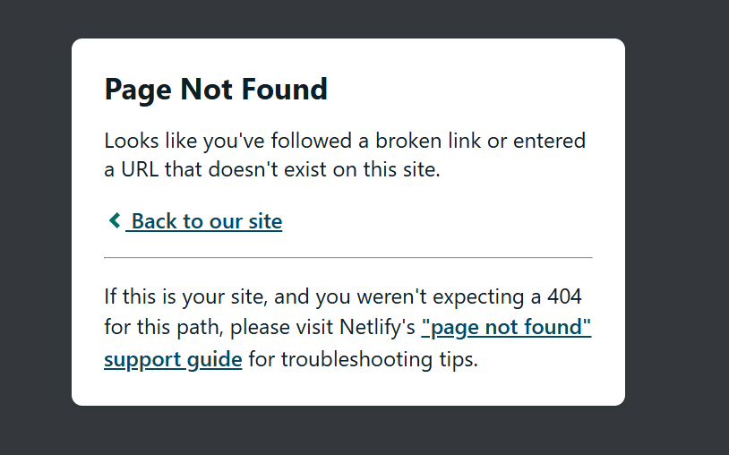 ADNAN | 
Bug05 | TC_22 | LifeStyle Functionality | "LifeStyle" Section Link Not Redirecting to LifeStyle's Product Page | High | High | Fail | Edge/Windows 10 | User is on the homepage | 1- Visit the URL on the browser. 2- Observe the message "Enter the world of shoes" displayed on the screen. 3- Verify if the user is automatically redirected to the homepage after the message. 4- Locate the " LifeStyle " section link in the navbar. 5- Observe the link's visibility, font size, and color. | User should be redirected to the LifeStyle's Product page. | Page Not Found' error is shown. | Functional | ADNAN | N/A
Bug06 | TC_25 | Sale Functionality | "Sale" Section Link Not Redirecting to Sale Product Page | High | High | Fail | Edge/Windows 10 | User is on the homepage | 1- Visit the URL on the browser. 2- Observe the message "Enter the world of shoes" displayed on the screen. 3- Verify if the user is automatically redirected to the homepage after the message. 4- Locate the "Sale" section link in the navbar. 5- Observe the link's visibility, font size, and color. | User should be redirected to the Sale Product page. | Page Not Found' error is shown. | Functional | ADNAN | N/A
Bug07 | TC_28 | Search Bar | Search Functionality Not Working | High | High | Fail | Edge/Windows 10 | User is on the homepage | 1- Visit the URL on the browser. 2- Observe the message "Enter the world of shoes" displayed on the screen. 3- Verify if the user is automatically redirected to the homepage after the message. 4- Type any query into the search bar and press Enter. 5- Observe the response. | System should provide search results or a message. | Search does not work at all. | Functional | 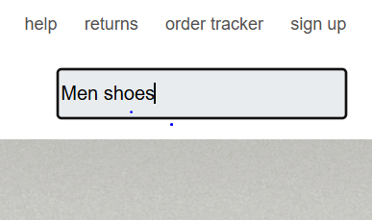 ADNAN | N/A
Bug08 | TC_30 | Help | "Help Section" Not Redirecting to Correct Page | High | High | Fail | Edge/Windows 10 | User is on the homepage | 1- Visit the URL on the browser. 2- Observe the message "Enter the world of shoes" displayed on the screen. 3- Verify if the user is automatically redirected to the homepage after the message. 4- Click on the "Help" link in the navbar. 5- Observe if the user is redirected to the correct Help page. | User should be redirected to the Help page. | Page reloads instead of redirecting. | Functional | ADNAN
Bug09 | TC_32 | Returns | "Returns" Section Not Redirecting to Correct Page | High | High | Fail | Edge/Windows 10 | User is on the homepage | 1- Visit the URL on the browser. 2- Observe the message "Enter the world of shoes" displayed on the screen. 3- Verify if the user is automatically redirected to the homepage after the message. 4- Click on the "Returns" link in the navbar. 5- Observe if the user is redirected to the correct Returns page. | User should be redirected to the Returns page. | Page reloads instead of redirecting. | Functional | ADNAN
Bug10 | TC_34 | Order Tracker | "Order Tracker" Not Redirecting to Correct Page | High | High | Fail | Edge/Windows 10 | User is on the homepage | 1- Visit the URL on the browser. 2- Observe the message "Enter the world of shoes" displayed on the screen. 3- Verify if the user is automatically redirected to the homepage after the message. 4- Click on the "Order tracker" link in the navbar. 5- Observe if the user is redirected to the correct Returns page. | User should be redirected to the Order Tracker page. | Page reloads instead of redirecting. | Functional | ADNAN
Bug11 | TC_36 | Creators Club | "Creators Club" Not Redirecting to Correct Page | High | High | Fail | Edge/Windows 10 | User is on the homepage | 1- Visit the URL on the browser. 2- Observe the message "Enter the world of shoes" displayed on the screen. 3- Verify if the user is automatically redirected to the homepage after the message. 4- Click on the "Creators club" link in the navbar. 5- Observe if the user is redirected to the correct Returns page. | User should be redirected to the Creators Club page. | Page reloads instead of redirecting. | Functional | ADNAN
Bug12 | TC_46 | Sign Up | Short Password Acceptance | High | High | Fail | Edge/Windows 10 | User is on the Sign Up page | 1- Visit the URL on the browser. 2- Observe the message "Enter the world of shoes" displayed on the screen. 3- Verify if the user is automatically redirected to the homepage after the message. 4- Click on the "Sign Up" link in the navbar. 5- The user is redirected to the Sign Up page. 6- Enter a valid email. Enter a short password. Attempt to click the "Continue" button. | Error message should show that the password is too short. | System does not show any error message. | Functional | ADNAN | 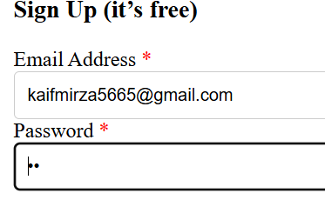 
Bug13 | TC_52 | Sign Up | "Read More" Link Redirecting to Login Page | Medium | Medium | Fail | Edge/Windows 10 | User is on the Sign Up page | 1- Visit the URL on the browser. 2- Observe the message "Enter the world of shoes" displayed on the screen. 3- Verify if the user is automatically redirected to the homepage after the message. 4- Click on the "Sign Up" link in the navbar. 5- The user is redirected to the Sign Up page. 6- Check the box for marketing messages. Click on the "Read more" link. | Read More section should open with additional information. | Redirects to Login page instead of showing the section. | Functional | 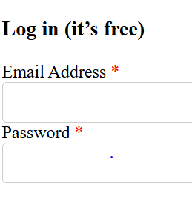 ADNAN
Bug14 | TC_53 | Sign Up | Links for Terms & Conditions not working | High | High | Open | Edge/Windows 10 | User is on the Sign Up page. | 1- Visit the URL on the browser. 2- Observe the message "Enter the world of shoes" displayed on the screen. 3- Verify if the user is automatically redirected to the homepage after the message. 4- Click on the "Sign Up" link in the navbar. 5- The user is redirected to the Sign Up page. 6- Check the box for privacy policy and terms and conditions. Click on the"Terms & Conditions" and privacy policy. link.. | User should be redirected to the Terms & Conditions page. | Both links are not functional and lead to a 404 error. | Functional | ADNAN
Bug15 | TC_59 | Login | "Forgot Password" link not available | Medium | Medium | Open | Edge/Windows 10 | User is on the Login page. | 1- Visit the URL on the browser. 2- Observe the message "Enter the world of shoes" displayed on the screen. 3- Verify if the user is automatically redirected to the homepage after the message. 4- Click on the "Login" link in the navbar. 5- The user is redirected to the Login page. 6- Find the "Forgot Password" button | The "Forgot Password" link should be visible. | The "Forgot Password" link is missing. | UI/UX | ADNAN | 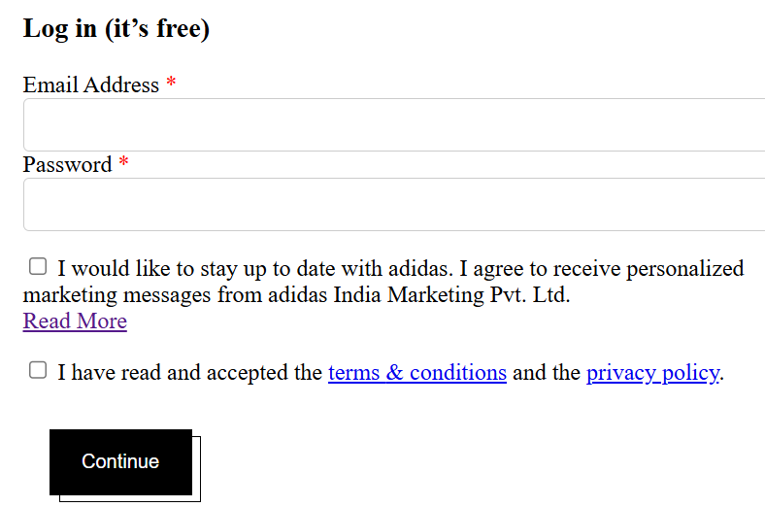
Bug16 | TC_60 | Login | Login button not disabled with empty fields | Medium | High | Open | Edge/Windows 10 | User is on the Login page. | 1- Visit the URL on the browser. 2- Observe the message "Enter the world of shoes" displayed on the screen. 3- Verify if the user is automatically redirected to the homepage after the message. 4- Click on the "Login" link in the navbar. 5- The user is redirected to the Login page. | The "Login" button should be disabled. | The "Login" button is enabled even with empty fields. | Functional | ADNAN
Bug17 | TC_63 | Login | Marketing checkbox link does not work | Medium | Medium | Open | Edge/Windows 10 | User is on the Login page. | 1- Visit the URL on the browser. 2- Observe the message "Enter the world of shoes" displayed on the screen. 3- Verify if the user is automatically redirected to the homepage after the message. 4- Click on the "Login" link in the navbar. 5- The user is redirected to the Login page. 6- Check the box for marketing messages. Click on the "Read more" link. | User should be redirected to the marketing info page. | The link does not redirect anywhere. | Functional | ADNAN
Bug18 | TC_64 | Login | Terms & Conditions link not functional | High | High | Open | Edge/Windows 10 | User is on the Sign Up page. | 1- Visit the URL on the browser. 2- Observe the message "Enter the world of shoes" displayed on the screen. 3- Verify if the user is automatically redirected to the homepage after the message. 4- Click on the "Login" link in the navbar. 5- The user is redirected to the Login page. 6- Check the box for privacy policy and terms and conditions. Click on the"Terms & Conditions" and privacy policy. link.. | The user should be redirected to the correct page. | The link does not work and shows a 404 error. | Functional | ADNAN
Bug19 | TC_69 | Add-to-Cart | Checkout button not functional | High | High | Open | Edge/Windows 10 | User has items in the cart. | 1- Visit the URL on the browser. 2- Observe the message "Enter the world of shoes" displayed on the screen. 3- Verify if the user is automatically redirected to the homepage after the message. 4-Click the "Checkout" button and proceed to the checkout page. | User should be redirected to the checkout page. | User is unable to proceed to the checkout page. | Functional | ADNAN
Bug20 | TC_70 | Add-to-Cart | No error message for empty cart checkout | Medium | Medium | Open | Edge/Windows 10 | User has no items in the cart. | 1- Visit the URL on the browser. 2- Observe the message "Enter the world of shoes" displayed on the screen. 3- Verify if the user is automatically redirected to the homepage after the message. 4-Click the "Checkout" button with an empty cart. | An error message should be displayed. | No error message shown when attempting to checkout. | Functional | ADNAN
Bug21 | TC_74 | Profile | Profile page not accessible after login | High | High | Open | Edge/Windows 10 | User is logged in. | 1- Visit the URL on the browser. 2- Observe the message "Enter the world of shoes" displayed on the screen. 3- Verify if the user is automatically redirected to the homepage after the message. 4-Click the "Profile" button with an empty cart. 5- Enter valid login credentials and click "Login". Observe if the user is redirected to the profile page. | User should be redirected to the profile page. | The user is not redirected to the profile page and always shown the Login page. | Functional | ADNAN
Bug22 | TC_75 | Profile | Login form appears again after login | High | High | Open | Edge/Windows 10 | User has logged in before. | 1- Visit the URL on the browser. 2- Observe the message "Enter the world of shoes" displayed on the screen. 3- Verify if the user is automatically redirected to the homepage after the message. 4- Click the "Profile" button with an empty cart. 5- Login with valid credentials and observe if the form reappears. | The login form should not appear again. | The login form appears again after logging in. | Functional | ADNAN
Bug23 | TC_76 | Profile | Profile page layout is misaligned | Medium | Medium | Open | Edge/Windows 10 | User is on the profile page. | 1- Visit the URL on the browser. 2- Observe the message "Enter the world of shoes" displayed on the screen. 3- Verify if the user is automatically redirected to the homepage after the message. 4-Click the "Profile" button with an empty cart. 5- Verify the layout of the profile page, including the user information and other elements. | The profile page should have a correct layout. | There is not shows any profile page. | UI/UX | ADNAN
Bug24 | TC_79 | Home Page | Slideshow images performance on different devices | Medium | Medium | Fail | Tab, iPhone, Android phone | User is on the website's homepage | 1- Visit the URL on the browser. 2- Observe the message "Enter the world of shoes" displayed on the screen. 3- Verify if the user is automatically redirected to the homepage after the message. 4- Open the website on different devices (desktop, tablet, mobile). 5- Test the slideshow in different browsers (Chrome, Firefox, Safari, Edge). 6- Observe the performance of the slideshow on all screen sizes and browsers. | The slideshow should perform smoothly without lag or stutter on all devices and browsers. | The slideshow is not performing smoothly and is not responsive on all devices and browsers. | Performance | ADNAN | 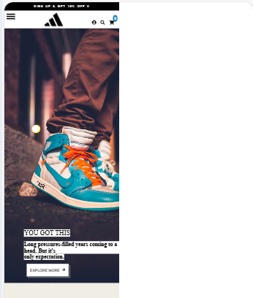
Bug25 | TC_95 | Home Page | Buttons above slideshow not clickable and functional | High | High | Fail | Edge/Windows 10 | User is on the website's home page | 1- Visit the URL on the browser. 2- Observe the message "Enter the world of shoes" displayed on the screen. 3- Verify if the user is automatically redirected to the homepage after the message. 4- Open the homepage with the animated slideshow. 5- Scroll to the buttons above the slideshow. 6- Attempt to click each button. | Buttons should be clickable and redirect to respective category pages. | Buttons are not able to click and redirect to the respective category pages. | Functional | ADNAN
Bug26 | TC_97 | Home Page | Non-clickable buttons do not provide feedback | Medium | Medium | Fail | Edge/Windows 10 | User is on the website's home page | 1- Visit the URL on the browser. 2- Observe the message "Enter the world of shoes" displayed on the screen. 3- Verify if the user is automatically redirected to the homepage after the message. 4- Open the homepage with the animated slideshow. 5- Click the non-functional buttons ("All T-Toe," "Samba," "Gezelle," "Spezial"). 6- Check for feedback (e.g., a message or cursor change). | Feedback indicating buttons are not functional if disabled. | Buttons are disabled and do not provide feedback indicating they are not functional. | Usability | ADNAN
Bug27 | TC_98 | Home Page | Slideshow images and buttons not responsive on all devices | Medium | Medium | Fail | Tab, iPhone, Android phone | User is on the website's home page | 1- Visit the URL on the browser. 2- Observe the message "Enter the world of shoes" displayed on the screen. 3- Verify if the user is automatically redirected to the homepage after the message. 4- Open the homepage with the animated slideshow. 5- Open the homepage on various devices (desktop, tablet, mobile). 6- Check the alignment and functionality of both the images and buttons. | Images and buttons should be aligned and responsive on all devices. | Images and buttons are not aligned and responsive on all devices. | Compatibility | ADNAN | 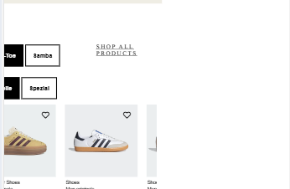
Bug28 | TC_102 | Home Page | Text movement not smooth on different devices | Medium | Medium | Fail | Tab, iPhone, Android phone | User is on the website's home page | 1- Visit the URL on the browser. 2- Observe the message "Enter the world of shoes" displayed on the screen. 3- Verify if the user is automatically redirected to the homepage after the message. 4- Access the homepage on different devices. 5- Observe the performance of the moving text. | Text movement should be smooth on all devices. | Text movement is not smooth on all devices. | Performance | ADNAN | 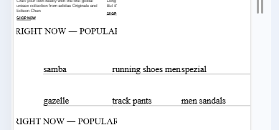
Bug29 | TC_104 | Footer | Footer links not clickable and do not redirect | High | High | Fail | Chrome, Firefox, Safari, Edge | User is on the website's footer page | 1- Visit the URL on the browser. 2- Observe the message "Enter the world of shoes" displayed on the screen. 3- Verify if the user is automatically redirected to the homepage after the message. 4- Scroll down to the footer section on the homepage. 5- Click each link in the footer (e.g., Privacy Policy, Terms & Conditions, Contact Us). 6- Verify that each link redirects to the correct page. | Footer links should be clickable and redirect to correct pages. | All footer links are not clickable and do not redirect to correct pages. | Functional | ADNAN | 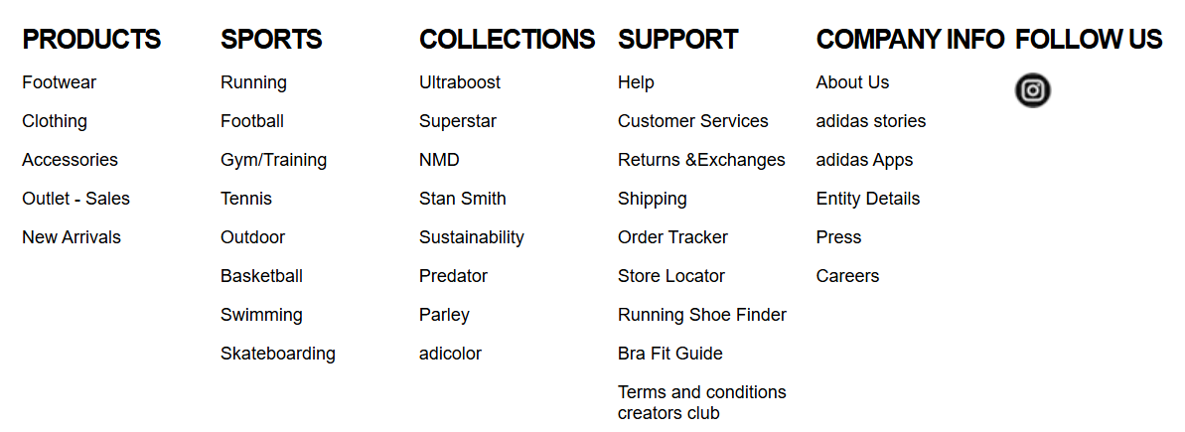
Bug30 | TC_105 | Footer | Social media icons not clickable | Medium | Medium | Fail | Chrome, Firefox, Safari, Edge | User is on the website's footer page | 1- Visit the URL on the browser. 2- Observe the message "Enter the world of shoes" displayed on the screen. 3- Verify if the user is automatically redirected to the homepage after the message. 4- Scroll down to the footer section on the homepage. 5- Click on each social media icon (e.g., Facebook, Instagram, Twitter). 6- Verify that each icon redirects to the correct social media page. | Social media icons should be clickable and redirect correctly. | Instagram icon is not clickable and does not redirect correctly. | Functional | ADNAN
Bug31 | TC_106 | Footer | Contact information not displayed correctly | Medium | Medium | Fail | Edge/Windows 10 | User is on the website's footer page | 1- Visit the URL on the browser. 2- Observe the message "Enter the world of shoes" displayed on the screen. 3- Verify if the user is automatically redirected to the homepage after the message. 4- Scroll down to the footer section on the homepage. 5- Verify that the contact information (phone number, email address) is displayed and formatted correctly. 6- If contact information is clickable (e.g., phone/email links), verify that they work (e.g., opening email client or dialing the number). | Contact information should display correctly and be functional. | Contact information is not displayed or functional. | Functional | ADNAN | [Attachment]
Bug32 | TC_109 | Adidas Website | Homepage load time not within acceptable limits | Medium | Medium | Fail | iPad, Phone, Laptop | Website should be accessible on various devices | 1- Visit the URL on the browser. 2- Access the website on mobile, tablet, and desktop. 3- Measure load times and responsiveness. | Homepage should load equally well on all device types. | Homepage is not loading equally well on all device types. | Performance | ADNAN | [Attachment]
Bug33 | TC_113 | Adidas Website | Checkout process not intuitive | High | High | Fail | Edge/Windows 10 | User is attempting to checkout | 1- Visit the URL on the browser. 2- Add a product to the cart. 3- Go through the entire checkout process. | Checkout process should be simple and intuitive. | User is not able to complete the checkout process. | Usability | ADNAN
Bug34 | TC_117 | Adidas Website | Website not responsive on different devices | High | High | Fail | Laptop, Mobile, iPad | Website is accessible | 1- Visit the URL on the browser. 2- Access the website on different devices (mobile, tablet, desktop). 3- Check layout and functionality. | Website should be responsive and work on all devices. | Website is not responsive and does not work on all devices. | Compatibility | ADNAN
Bug35 | TC_118 | Adidas Website | Layout does not adjust correctly for different screen resolutions | Medium | Medium | Fail | Laptop, Mobile, iPad | Website is accessible | 1- Visit the URL on the browser. 2- Resize the browser window or use devices with different screen resolutions. | Layout should adjust correctly for all screen sizes. | Layout is not adjusted correctly for all screen sizes. | Compatibility | ADNAN | [Attachment]
Bug36 | TC_119 | Adidas Website | Website not fully responsive on mobile devices | High | High | High | Mobile devices | Website is accessed on a mobile device | 1- Visit the URL on the browser. 2- Open the website on a mobile device. 3- Ensure touch-friendly buttons, readable fonts, and responsiveness. | Website should be fully responsive on mobile devices. | Website is not fully responsive on mobile devices. | Compatibility | ADNAN | [Attachment]
Bug37 | TC_120 | Adidas Website | Wbsite is not working on Chorome browser. | High | High | High | Browser : Chrome | The website is accessed on chrome. | 1- Visit the URL on the browser. 2- Access the website on Chrome, Edge, Firefox, Brave | The website should work properly across all browsers. | The website is not able to work on "Chrome" and on another browser, it works. | Compatibility | 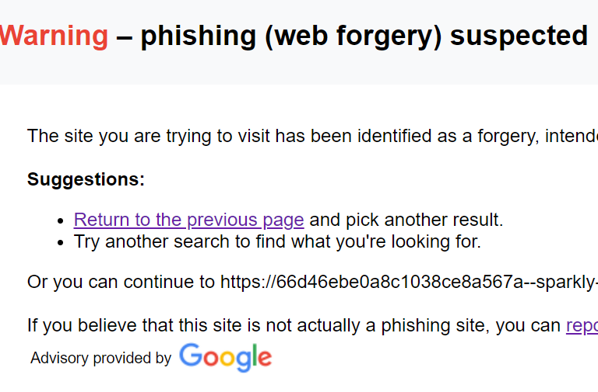 ADNAN | [Attachment]

